华尔街交易员
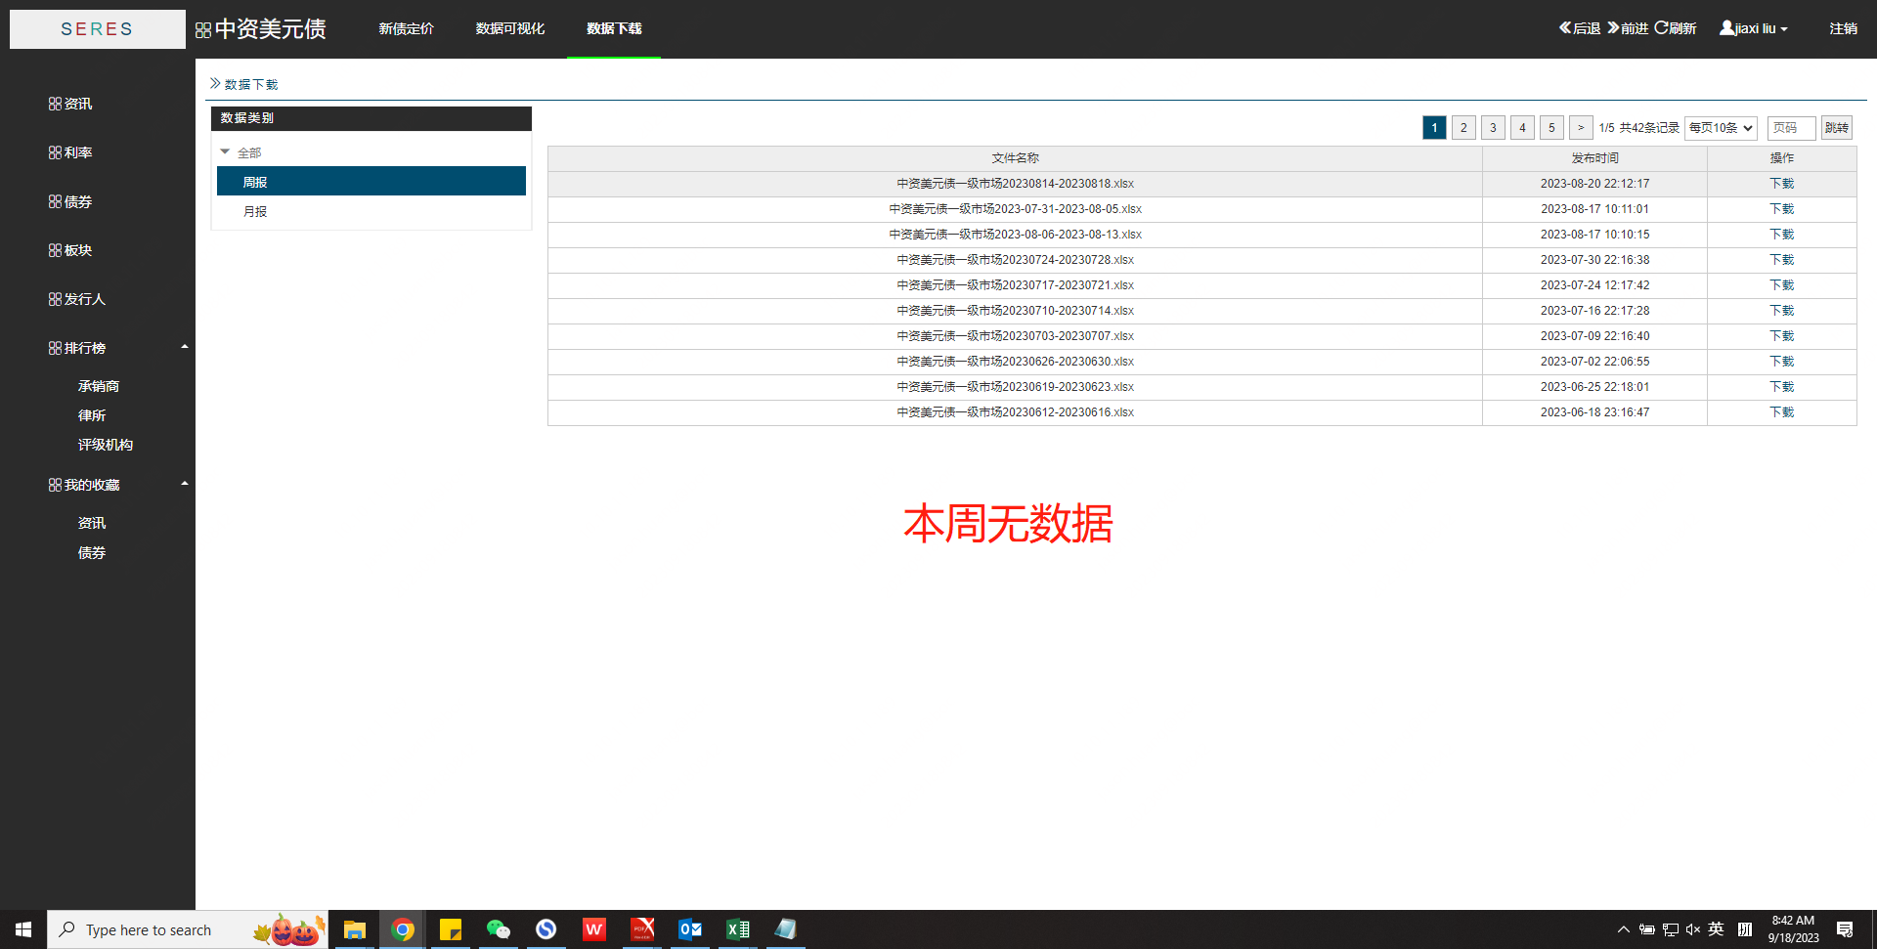
华尔街交易员周报 |  | 中资美元债 (serespartners.com)
信用主体 | 定价日期 | 债券名称 | ISIN | 到期期限 | 规模 (亿美元) | 发行价 | 初始发行价 | 认购倍数 | 首日表现 | 发行评级 | 行业 | 最终订单量/峰值订单（亿美元）

